Test Case Results
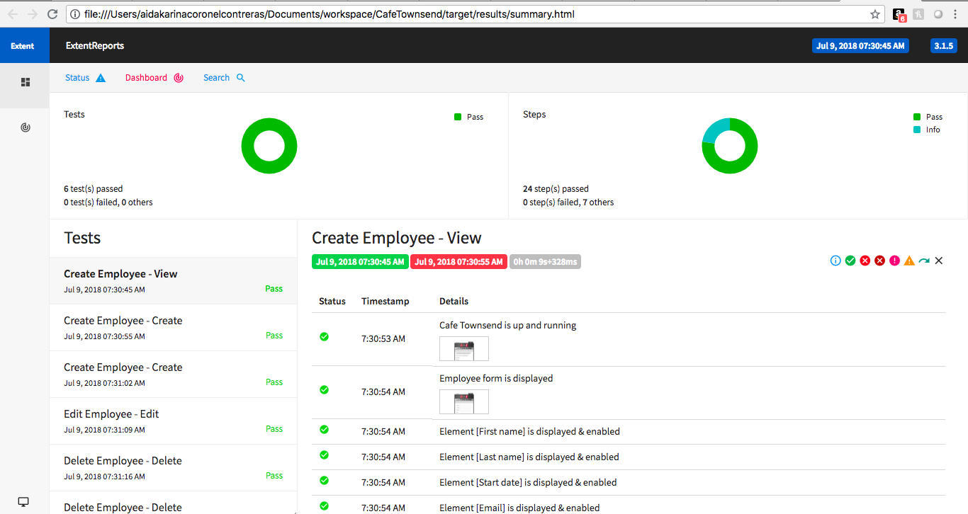
 | Module/Test Case Name | Automated | Status
 | Login/Logout
1 | SIT_001_CD_LogIn |  | Pass
2 | SIT_002_CD_LogOut |  | Pass
 | Create
1 | SIT_001_CD_CreateEmployee_View | x | Pass
2 | SIT_002_CD_CreateRecord_Create | x | Pass
3 | SIT_003_CD_CreateRecord_Cancel |  | Pass
4 | SIT_004_CD_CreateRecord_Edge_MaxNumOfCharactersInName |  | Fail
 | Update
1 | SIT_001_CD_UpdateRecord_View |  | Pass
2 | SIT_002_CD_UpdateRecord_Update | x | Pass
3 | SIT_003_CD_UpdateRecord_Edge_MaxNumOfCharactersInName |  | Fail
 | Delete
1 | SIT_001_CD_DeleteRecord_Delete | x | Pass

